Arduino Mega PINs
POWER | IOREF |  |  |  |  | AREF |  |  |  |  |  |  |  | 5V | 5V
 | RESET |  |  |  |  | GND |  |  |  |  |  | WAT_SER_YAW |  | 22 | 23 |  | STR_SWI_START
 | 3.3V |  |  |  | PWM | 13 | LED | 8-bit PWM |  | Blink, to be left |  | WAT_SER_PITCH |  | 24 | 25 |  | STR_SWI_COLOR
 | 5V |  |  |  |  | 12 |  | 8-bit PWM |  |  |  | CLW_SER_SQUEEZE |  | 26 | 27 |  | STR_SWI_STRAT1
 | GND |  |  |  |  | 11 |  | 8-bit PWM |  | CLW_COL_SO |  | CLW_SER_FLIPPER |  | 28 | 29 |  | SHU_SWI_LOCK
 | GND |  |  |  |  | 10 |  | 8-bit PWM |  | CLW_COL_S1 |  | CLW_SER_PITCH2 |  | 30 | 31 |  | SHU_SWI_L
 | VIN |  |  |  |  | 9 |  | 8-bit PWM |  | CLW_COL_S2 |  | CLW_SER_PITCH1 |  | 32 | 33 |  | SHU_SWI_R
 |  |  |  |  |  | 8 |  | 8-bit PWM |  | CLW_COL_S3 |  | CLW_SER_YAW |  | 34 | 35
ANALOG IN | A0 |  | STO_IR_L |  |  |  |  |  |  |  |  | CLW_SER_SLIDER |  | 36 | 37
 | A1 |  | STO_IR_C |  |  | 7 |  | 8-bit PWM |  |  |  | STO_SER_L |  | 38 | 39 |  | SLA_MOT_L
 | A2 |  | STO_IR_R |  |  | 6 |  | 8-bit PWM |  | CLW_ODO_CHB |  | STO_SER_C |  | 40 | 41 |  | SLA_MOT_R
 | A3 |  | CLW_IR |  |  | 5 |  | 8-bit PWM |  | SLA_ODO_R_CHB |  | STO_SER_R |  | 42 | 43
 | A4 |  |  |  |  | 4 |  | 8-bit PWM |  | SLA_ODO_L_CHB | perm | CLW_MOT_ROLLER_IN2 | 8-bit PWM | 44 | 45 | 8-bit PWM
 | A5 |  |  |  |  | 3 |  | 8-bit PWM | INTERRUPT 1 | SLA_ODO_R_CHA |  | CLW_MOT_ROLLER_IN1 | 8-bit PWM | 46 | 47 | 8-bit PWM
 | A6 |  | SLA_US |  |  | 2 |  | 8-bit PWM | INTERRUPT 0 | SLA_ODO_L_CHA | ser to saber | CLW_MOT_ROLLER_ENA | 8-bit PWM | 48 | 49 |  | SHU_SER
 | A7 |  |  |  | COM | 1 | TX0 | SERIAL transmit |  | USB to PI |  |  |  | 50 | 51
 |  |  |  |  |  | 0 | RX0 | SERIAL receive |  | USB to PI |  |  |  | 52 | 53
 | A8 |  |  |  |  |  |  |  |  |  |  |  |  | GND | GND
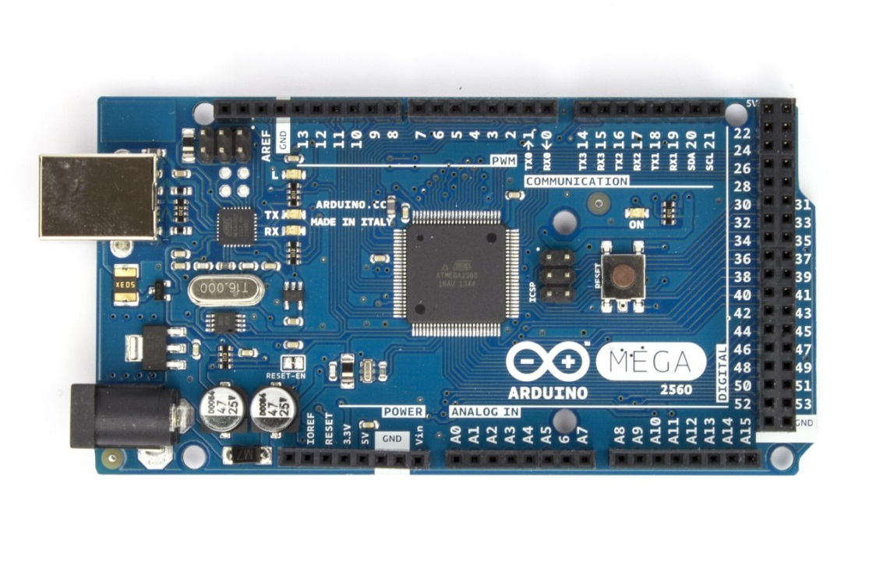
 | A9 |  |  |  |  | 14 | TX3 | SERIAL 3, Transmit
 | A10 |  |  |  |  | 15 | RX3 | SERIAL 3, Receive
 | A11 |  |  |  |  | 16 | TX2 | SERIAL 2, Transmit
 | A12 |  |  |  |  | 17 | RX2 | SERIAL 2, Receive
 | A13 |  |  |  |  | 18 | TX1 | SERIAL 1, Transmit | INTERRUPT 5
 |  |  |  |  |  | 19 | RX1 | SERIAL 1, Receive | INTERRUPT 4
 |  |  |  |  |  | 20 | SDA | TWI | INTERRUPT 3 | CLW_COL_OUT
 |  |  |  |  |  | 21 | SCL | TWI | INTERRUPT 2 | CLW_ODO_CHA

PIN use
 | PIN | total | used | remplissage
 | Analog | 14 | 5 | 35.7%
 | Interrupt | 6 | 4 | 66.7%
 | Serial | 8 | 2 | 25.0%
 | PWM | 12 | 10 | 83.3%
 | Digital | 32 | 23 | 71.9%
 | Interrupt | 6 | 4 | 66.7%

PINS
Element
 | TYPE | NAME | PIN NAME | PIN | CAVALIER | SIGNAL | Connectic | Comments
SPACE SHUTTLE | SERVOS |  | SHU_SER | DIGITAL | 3 | PWM | 6V,Digital,GND | MG996R
 | Switch |  | SHU_SWI_LOCK | DIGITAL | 2 | ON/OFF
 | Switch |  | SHU_SWI_L | DIGITAL | 2 | ON/OFF
 | Switch |  | SHU_SWI_R | DIGITAL | 2 | ON/OFF

WATCH TOWER | SERVOS |  | WAT_SER_YAW | DIGITAL | 3 | PWM | 6V,Digital,GND | MG996R
 | SERVOS |  | WAT_SER_PITCH | DIGITAL | 3 | PWM | 6V,Digital,GND | MG996R

STRATEGY | Switch |  | STR_SWI_START | DIGITAL | 2 | ON/OFF
 | Switch |  | STR_SWI_COLOR | DIGITAL | 2 | ON/OFF
 | Switch |  | STR_SWI_STRAT1 | DIGITAL | 2 | ON/OFF

SLAVE | MOTOR |  | SLA_MOT_L | DIGITAL | 3 | PWM | sabertooth | sabertooth
 | MOTOR |  | SLA_MOT_R | DIGITAL |  | PWM | sabertooth
 | US |  | SLA_US |  | 3 |  |  | BAUMER..
 | ODO | ODO LEFT | SLA_ODO_L_CHA | Interrupt | 5 |  |  | HEDS-5540
 |  |  | SLA_ODO_L_CHB | digital
 | ODO | ODO RIGHT | SLA_ODO_R_CHA | Interrupt | 5 |  |  | HEDS-5540
 |  |  | SLA_ODO_R_CHB | digital

STOCKER | IR |  | STO_IR_L | DIGITAL | 3 | ON/OFF
 | IR |  | STO_IR_C | DIGITAL | 3 | ON/OFF
 | IR |  | STO_IR_R | DIGITAL | 3 | ON/OFF
 | SERVOS |  | STO_SER_L | DIGITAL | 3 | PWM | 6V,Digital,GND | MG996R
 | SERVOS |  | STO_SER_C | DIGITAL | 3 | PWM | 6V,Digital,GND | MG996R
 | SERVOS |  | STO_SER_R | DIGITAL | 3 | PWM | 6V,Digital,GND | MG996R

CLAW | IR |  | CLW_IR | DIGITAL | 3 | ON/OFF
 | ODO |  | CLW_ODO_CHA | Interrupt | 5 |  |  | integré moteur
 |  |  | CLW_ODO_CHB | digital
 | COLOR | COLOR SENSOR | CLW_COL_SO | Interrupt | 7 | PWM |  | TCS230
 |  |  | CLW_COL_S1 | DIGITAL |  | PWM
 |  |  | CLW_COL_S2 | DIGITAL
 |  |  | CLW_COL_S3 | DIGITAL
 |  |  | CLW_COL_OUT | DIGITAL
 | MOTOR | moteur roulette | CLW_MOT_ROLLER_IN2 | DIGITAL/analog write | 5 | digital write | 5V, D ,D, D,GND
 |  |  | CLW_MOT_ROLLER_IN1 | DIGITAL |  | digital write
 |  |  | CLW_MOT_ROLLER_ENA | DIGITAL |  | analog write
 | SERVOS |  | CLW_SER_SQUEEZE | DIGITAL | 3 | PWM | 6V,Digital,GND | MG996R
 | SERVOS |  | CLW_SER_FLIPPER | DIGITAL | 3 | PWM | 6V,Digital,GND | MG996R
 | SERVOS |  | CLW_SER_PITCH2 | DIGITAL | 3 | PWM | 6V,Digital,GND | MG996R
 | SERVOS |  | CLW_SER_PITCH1 | DIGITAL | 3 | PWM | 6V,Digital,GND | MG996R
 | SERVOS |  | CLW_SER_YAW | DIGITAL | 3 | PWM | 6V,Digital,GND | MG996R
 | SERVOS |  | CLW_SER_SLIDER | DIGITAL | 3 | PWM | 6V,Digital,GND | MG996R

cavalier | NB
2 pin | 6
3 pin | 18
4 pin | 0
5 pin | 4
6 pin | 0
7 pin | 1

STRAT
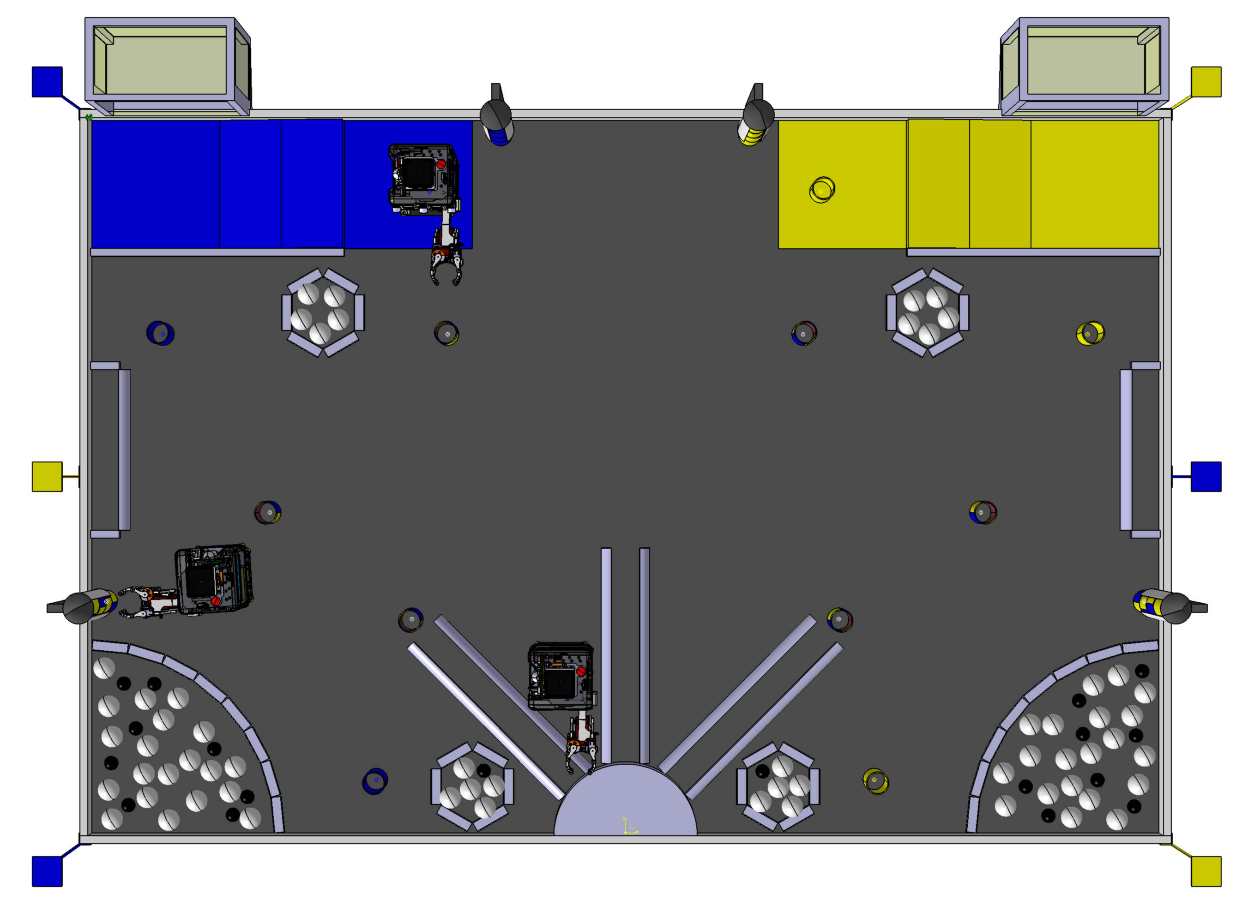

collecte distrib mono

push distrib mono

push cratere

collect centraux init

collect centraux restant

distrib poly

depot vertical

depot diagonal

